Headers
First Page Heading
 | User input | auto calculated | From another Table |  | From look up table
STATE OF CALIFORNIA
Outdoor Lighting
NRCC-LTO-E (Created XX/XX) |  |  |  | CALIFORNIA ENERGY COMMISSION
CERTIFICATE OF COMPLIANCE |  |  |  |  | NRCC-LTO-E
This document is used to demonstrate compliance with requirements in §110.9, §130.0, §130.2, §140.7, and §141.0(b)2L for outdoor lighting scopes using the prescriptive path.
Project Name: |  |  |  | Report Page: | Page 1 of ??
Project Address: |  |  |  | Date Prepared:

 | This is a heading. The project name, address and date prepared should be a user input on the first page, but that should populate the heading on all other pages.

Heading all other pages
STATE OF CALIFORNIA
Outdoor Lighting
NRCC-LTO-E (Created XX/XX) |  |  |  | CALIFORNIA ENERGY COMMISSION
CERTIFICATE OF COMPLIANCE |  |  |  |  | NRCC-LTO-E
Project Name: |  |  |  | Report Page: | Page 1 of ??
Project Address: |  |  |  | Date Prepared:

 | Please use the same footer as the LTI form.

B. Project Scope
 |  | User input |  | auto calculated |  |  | From another Table |  | From look up table

B. PROJECT SCOPE
Table Instructions: Include any outdoor lighting systems that are within the scope of the permit application and are demonstrating compliance using the prescriptive path outlined in §140.7 or §141.0(b)2L for alterations.
My project consists of:
01 |  |  | 02
¨ | New Lighting System |  | Must Comply with Allowances from §140.7.
¨ | Altered Lighting System |  | Is your alteration increasing the connected lighting load (Watts)? |  |  | o Yes | o No
03 |  |  |  | 04 | 05
Row 12 shows up if column 04 <5 OR column 03 is <10%.
Get rid of this trigger.
% of Existing Luminaires Being Altered1 |  |  |  | Sum Total of Luminaires Being Added or Altered | Calculation Method
Row 13 shows up if "New Lighting System" is selected, or if Altered Lighting System column 02 is "Yes"
o < 10% |  | o ≥ 10% and < 50% | o ≥ 50% |  | Dropdown, see below for list (custom)
STOP! Outdoor lighting projects modifying less than 5 luminaires, or less than 10% of existing luminaires do not require compliance documentation provided that they do not increase the total connected lighting load.
Please proceed to Table F. Outdoor Lighting Fixture Schedule to define the project's luminaires.
1 FOOTNOTES: % of Existing Luminaires Being Altered = (Sum Total of Luminaires Being Added or Altered / Existing Luminaires within the Scope of the Permit Application) x 100

 |  |  |  | This is the dropdown if > 50% is clicked in column 03 >> | Calculation Method Dropdown
 |  |  |  |  | Calculated Allowance per §140.7 |  |  | << triggers Table I.
 |  |  |  |  | 40% Reduced Wattage Exception per §141.0(b)2L |  |  | << triggers Table N.

 |  |  |  | This is the dropdown if "> 10% and < 50%" or "<10%" is clicked in column 03 >> | Calculation Method Dropdown
 |  |  |  |  | Calculated Allowance per §140.7 |  |  | << triggers Table I.
 |  |  |  |  | Maintain Existing Power Method per §141.0(b)2L |  |  | << triggers Table N.

 | Table Tip:
 | Project Scope must be defined before other sections of the NRCC-LTO will expand for user input. Check the boxes for "New Lighting System" or "Altered Lighting System" to get started. Applicable tables within the form will expand for user input based on your selections. New lighting systems and alterations which increase the connected lighting load must comply with Allowances in §140.7.

G. BUG
 | User input |  |  |  |  |  |  | auto calculated |  |  | From another Table |  | From look up table

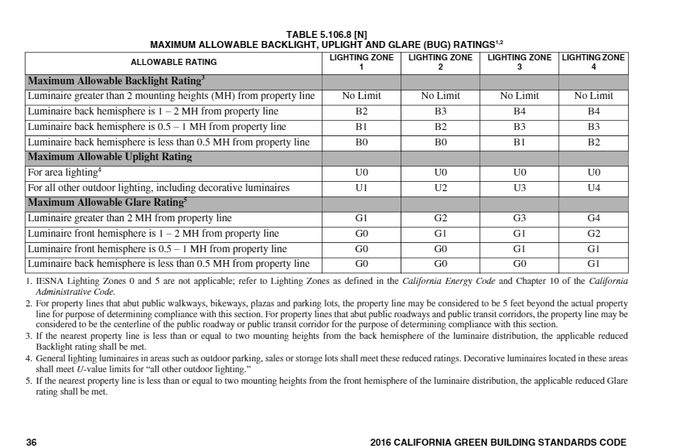
G. CUTOFF REQUIREMENTS (BUG)
Table Instructions: Complete this table for fixtures of ≥ 6,200 initial luminaire lumens indicated on Table F as needing to comply with Cutoff Requirements. Maximum lumens can be found in Title 24, Part 11, Section 5.106.8 .
01 | 02 | 03 | 04 | 05 | 06 | 07 | 08 | 09 | 10 | 11 | 12
Name or Item Tag | Complete Luminaire Description | Backlight Rating2 |  |  | Uplight Rating 2 |  |  | Glare Rating2 |  |  | Field Inspector
 |  | Mounting Height from Property Line1 | Max Allowable Backlight Rating3 | Backlight Rating Per Design | Lighting Type | Max Allowable Uplight Rating3 | Uplight Rating Per Design | Mounting Height from Property Line1 | Max Allowable Glare Rating3 | Glare Rating Per Design | Pass | Fail
(autofill from Table F) | (autofill from Table F) |  |  |  |  |  |  |  |  |  | o | o
1 FOOTNOTES: Mounting Height is labeled MH in this table |  |  |  |  |  |  |  |  |  |  |  | Reset
2 Authority having jurisdiction may ask for luminaire cut sheets or other documentation to confirm luminaire type, backlight, uplight,and glare ratings used for compliance per §130.2(b).
Luminaires with "Yes" in Table F. column 09 must be transferred to Table G.
3 BUG ratings with a lower number than the 'Max Allowable' are compliant. Ex. If Max Allowable is Bug Rating is B4, then B0, B1, B2, B3 and B4 are all compliant.

 |  | Mounting Height drop down |  |  | dropdown |  |  | Mounting Height drop down
 |  | > 2 MH from property line |  |  | Area Lighting |  |  | > 2 MH from property line
 |  | Back hemisphere 1-2 MH from prop line |  |  | All Other (including decorative) |  |  | Front hemisphere 1-2 MH from prop line
 |  | Back hemisphere 0.5-1 MH from prop line |  |  |  |  |  | Front hemisphere 0.5-1 MH from prop line
 |  | Back hemisphere < 0.5 MH from prop line |  |  |  |  |  | Back hemisphere < 0.5 MH from prop line

Table Tip:
Luminaires indicated in Table F. as having ≥ 6,200 initial luminaire lumens and not exempted under §130.2(b) are automatically listed in Table G. Complete Table G. to show compliance with cutoff requirements for each luminaire listed.

